Evaluation
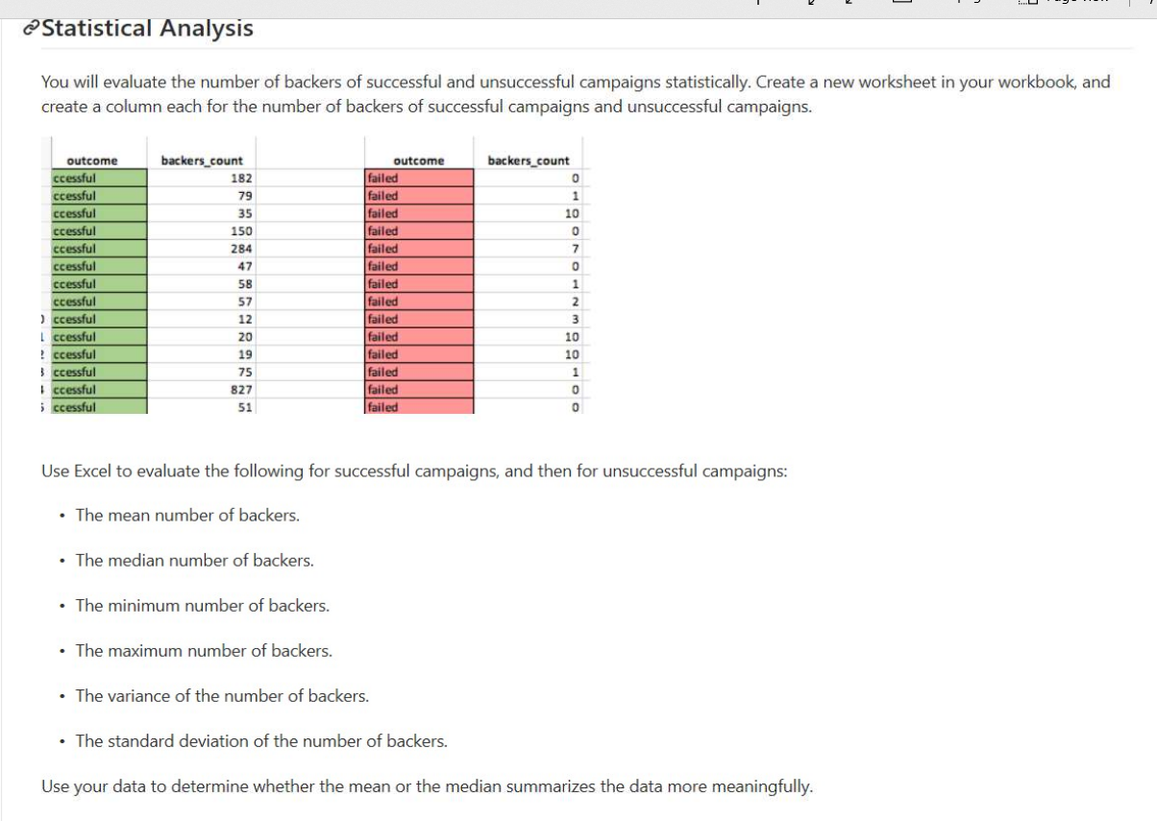
 |  |  |  |  |  |  |  |  | Values
 |  | Method 1 |  | Method 2 |  | Check |  | state | Sum of backers_count | Average of backers_count2 | Min of backers_count2 | Max of backers_count2 | Var of backers_count2 | StdDev of backers_count
 |  | # of Backers |  | # of Backers |  | # of Backers |  | successful | 424,819.0 | 194.4 | 1.0 | 26,457.0 | 713,167.4 | 844.5
 |  | Successful | Failed | Successful | Failed | Successful | Failed | failed | 27,096.0 | 17.7 | - | 1,293.0 | 3,775.7 | 61.4
 | Total Campaigns | 2,185 | 1,530 | 2,185 | 1,530 | - | - | Grand Total | 451,915.0 | 121.6 | - | 26,457.0 | 428,495.5 | 654.6
 | Total Backers | 424,819 | 27,096 | 424,819 | 27,096 | - | -
 | μ (Mean) # | 194.4 | 17.7 | 194 | 18 | - | -
 | Median #* | 62 | 4 | 62 | 4 | - | -
 | Min* | 1 | 0 | 1 | - | - | -
 | Max* | 26,457 | 1,293 | 26,457 | 1,293 | - | -
 | Variance* | 713,167 | 3,776 | 713,167 | 3,776 | - | -
 | σ* | 844 | 61 | 844 | 61 | - | -

* | To finish the formula, type two closing brackets, and then press Ctrl+Shift+Enter to array-enter the formula.
 | https://www.contextures.com/excelminmaxfunction.html

 | Use your data to determine whether the mean or the median summarizes the data more meaningfully.
 |  | The mean summarizes the data more meaningfully because it represents the average # of backers per campaign, whereas the median only represents the middle # of backers
 |  |  | The middle # of backers is very low compared the the wide range of potential backers, e.g. for successful campaigns the range was from 1 to 26,457 backers, the median of 62 is not as meaningful as the average

Bonus
Goal Fr | Goal To | Goal | # Successful | # Failed | # Canceled | Total Projects | % Successful | % Failed | % Cancelled | X
n/a | <1000 | < 1,000 | 322 | 113 | 18 | 453 | 71% | 25% | 4%
>=1000 | <=4999 | 1,000 to 4,999 | 932 | 420 | 60 | 1412 | 66% | 30% | 4%
>=5000 | <=9999 | 5,000 to 9,999 | 381 | 283 | 52 | 716 | 53% | 40% | 7%
>=10000 | <=14999 | 10,000 to 14,999 | 168 | 144 | 40 | 352 | 48% | 41% | 11%
>=15000 | <=19999 | 15,000 to 19,999 | 94 | 90 | 17 | 201 | 47% | 45% | 8%
>=20000 | <=24999 | 20,000 to 24,999 | 62 | 72 | 14 | 148 | 42% | 49% | 9%
>=25000 | <=29999 | 25,000 to 29,999 | 55 | 64 | 18 | 137 | 40% | 47% | 13%
>=30000 | <=34999 | 30,000 to 34,999 | 32 | 37 | 13 | 82 | 39% | 45% | 16%
>=35000 | <=39999 | 35,000 to 39,999 | 26 | 22 | 7 | 55 | 47% | 40% | 13%
>=40000 | <=44999 | 40,000 to 44,999 | 21 | 16 | 6 | 43 | 49% | 37% | 14%
>=45000 | <=49999 | 45,000 to 49,999 | 6 | 11 | 4 | 21 | 29% | 52% | 19%
>=50000 | n/a | > or = 5,000 | 86 | 258 | 100 | 444 | 19% | 58% | 23%

Outcomes Based on Goal

Pivot.Date.Created
Parent Category | (All)
Date Created Years | (All)

Count of state | state
Date Created Conversion | successful | failed | canceled | Grand Total
Jan | 184 | 148 | 34 | 366
Feb | 202 | 106 | 27 | 335
Mar | 179 | 108 | 28 | 315
Apr | 193 | 102 | 27 | 322
May | 232 | 126 | 26 | 384
Jun | 213 | 148 | 27 | 388
Jul | 192 | 148 | 44 | 384
Aug | 167 | 134 | 32 | 333
Sep | 148 | 127 | 24 | 299
Oct | 184 | 150 | 20 | 354
Nov | 180 | 114 | 37 | 331
Dec | 111 | 119 | 23 | 253
Grand Total | 2,185 | 1,530 | 349 | 4,064

Pivot.Campaigns.SubCat
 | successful | failed | canceled | live
animation |  | 100
art books |  |  | 20
audio |  |  | 24
children's books |  | 40
classical music | 40
documentary | 180
drama |  | 80
electronic music | 40
faith |  | 40 |  | 20
fiction |  | 40
food trucks |  | 120 | 20
gadgets |  | 20
hardware | 140
indie rock | 140 | 20
jazz |  | 60
makerspaces | 9 | 11
metal | 20
mobile games |  | 40
musical | 60 | 60 | 20
nature |  | 20
nonfiction | 60
people |  | 20
photobooks | 103 | 57
places |  | 20
plays | 694 | 353 |  | 19
pop | 40
radio & podcasts | 20
restaurants |  | 20
rock | 260
science fiction |  |  | 40
shorts | 60
small batch | 34 |  |  | 6
space exploration | 40 | 2 | 18
spaces | 85 | 80 | 17 | 5
tabletop games | 80
television | 60
translations |  | 47 | 10
video games |  | 100
wearables | 20 | 120 | 60
web |  | 60 | 100
world music |  |  | 20
country | (All)
Parent Category | (All)

Count of state | state
Sub-Category | successful | failed | canceled | live | Grand Total
animation |  | 100 |  |  | 100
art books |  |  | 20 |  | 20
audio |  |  | 24 |  | 24
children's books |  | 40 |  |  | 40
classical music | 40 |  |  |  | 40
documentary | 180 |  |  |  | 180
drama |  | 80 |  |  | 80
electronic music | 40 |  |  |  | 40
faith |  | 40 |  | 20 | 60
fiction |  | 40 |  |  | 40
food trucks |  | 120 | 20 |  | 140
gadgets |  | 20 |  |  | 20
hardware | 140 |  |  |  | 140
indie rock | 140 | 20 |  |  | 160
jazz |  | 60 |  |  | 60
makerspaces | 9 | 11 |  |  | 20
metal | 20 |  |  |  | 20
mobile games |  | 40 |  |  | 40
musical | 60 | 60 | 20 |  | 140
nature |  | 20 |  |  | 20
nonfiction | 60 |  |  |  | 60
people |  | 20 |  |  | 20
photobooks | 103 | 57 |  |  | 160
places |  | 20 |  |  | 20
plays | 694 | 353 |  | 19 | 1,066
pop | 40 |  |  |  | 40
radio & podcasts | 20 |  |  |  | 20
restaurants |  | 20 |  |  | 20
rock | 260 |  |  |  | 260
science fiction |  |  | 40 |  | 40
shorts | 60 |  |  |  | 60
small batch | 34 |  |  | 6 | 40
space exploration | 40 | 2 | 18 |  | 60
spaces | 85 | 80 | 17 | 5 | 187
tabletop games | 80 |  |  |  | 80
television | 60 |  |  |  | 60
translations |  | 47 | 10 |  | 57
video games |  | 100 |  |  | 100
wearables | 20 | 120 | 60 |  | 200
web |  | 60 | 100 |  | 160
world music |  |  | 20 |  | 20
Grand Total | 2,185 | 1,530 | 349 | 50 | 4,114

Pivot.Campaigns.Cat
 | successful | failed | canceled | live
film & video | 300 | 180 | 40
food | 34 | 140 | 20 | 6
games | 80 | 140
journalism |  |  | 24
music | 540 | 120 | 20 | 20
photography | 103 | 117
publishing | 80 | 127 | 30
technology | 209 | 213 | 178
theater | 839 | 493 | 37 | 24
country | (All)

Count of state | state
Parent Category | successful | failed | canceled | live | Grand Total
film & video | 300 | 180 | 40 |  | 520
food | 34 | 140 | 20 | 6 | 200
games | 80 | 140 |  |  | 220
journalism |  |  | 24 |  | 24
music | 540 | 120 | 20 | 20 | 700
photography | 103 | 117 |  |  | 220
publishing | 80 | 127 | 30 |  | 237
technology | 209 | 213 | 178 |  | 600
theater | 839 | 493 | 37 | 24 | 1,393
Grand Total | 2,185 | 1,530 | 349 | 50 | 4,114

